Sheet1
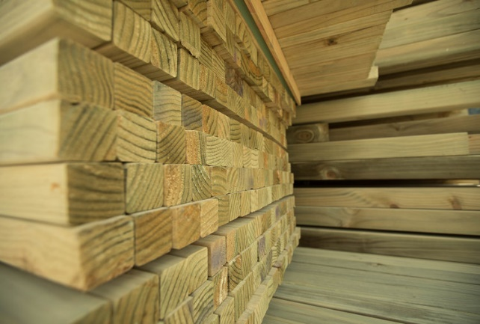
SG8 H3.2 WET GGD |  |  |  |  |  | 1.2 | 1.5 | 1.8 | 2.1 | 2.4 | 2.7 | 3.0 | 3.6 | 4.0 | 4.2 | 4.5 | 4.8 | 5.4 | 6.0 | RL | $ CUBE | $ L/M
 | 75 x 50 | SG8 | H3.2 | WET | Curent SOH |  |  |  |  |  |  |  |  |  |  |  |  |  |  |  | POA | POA
 |  |  |  |  | ORDER Quantity
 | 100 x 50 | SG8 | H3.2 | WET | Current SOH |  |  |  |  |  |  |  |  |  |  |  | 3 | 1 | 1 |  | $677 | $3.39
 |  |  |  |  | ORDER Quantity
 | 150 x 50 | SG8 | H3.2 | WET | Current SOH |  |  |  |  |  |  |  |  |  | 1 |  |  |  |  |  | $698 | $5.23
 |  |  |  |  | ORDER Quantity
 | 200 x 50 | SG8 | H3.2 | WET | Current SOH |  |  |  |  |  |  |  |  |  |  |  |  |  |  |  | $698 | $6.98
 |  |  |  |  | ORDER Quantity
 | 250 x 50 | SG8 | H3.2 | WET | Current SOH |  |  |  |  |  |  |  |  |  |  |  |  |  |  |  | $759 | $9.49
 |  |  |  |  | ORDER Quantity
 | 300 x 50 | SG8 | H3.2 | WET | Current SOH |  |  |  |  |  |  |  |  |  |  |  |  |  |  |  | $759 | $11.39
 |  |  |  |  | ORDER Quantity

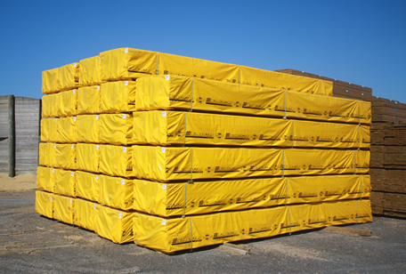
SG8 H3.2 KD GGD |  |  |  |  |  | 1.2 | 1.5 | 1.8 | 2.1 | 2.4 | 2.7 | 3.0 | 3.6 | 4.0 | 4.2 | 4.5 | 4.8 | 5.4 | 6.0 | RL | $ CUBE | $ L/M
 | 75 x 50 | SG8 | H3.2 | KD | Current SOH |  |  |  |  |  |  |  |  |  |  |  |  |  |  |  | $800 | $3.00
 |  |  |  |  | ORDER Quantity
 | 100 x 50 | SG8 | H3.2 | KD | Current SOH |  |  |  |  |  |  |  | 1 |  | 1 |  | 17 | 1 |  |  | $735 | $3.68
 |  |  |  |  | ORDER Quantity
 | 150 x 50 | SG8 | H3.2 | KD | Current SOH |  |  |  |  |  |  |  |  |  | 2 |  | 9 | 11 | 6 |  | $750 | $5.62
 |  |  |  |  | ORDER Quantity
 | 200 x 50 | SG8 | H3.2 | KD | Current SOH |  |  |  |  |  |  |  |  |  |  |  |  | 14 |  |  | $750 | $7.50
 |  |  |  |  | ORDER Quantity
 | 250 x 50 | SG8 | H3.2 | KD | Current SOH |  |  |  |  |  |  |  |  |  |  |  |  |  |  |  | $830 | $10.38
 |  |  |  |  | ORDER Quantity
 | 300 x 50 | SG8 | H3.2 | KD | Current SOH |  |  |  |  |  |  |  |  |  |  |  |  |  |  |  | $830 | $12.45
 |  |  |  |  | ORDER Quantity

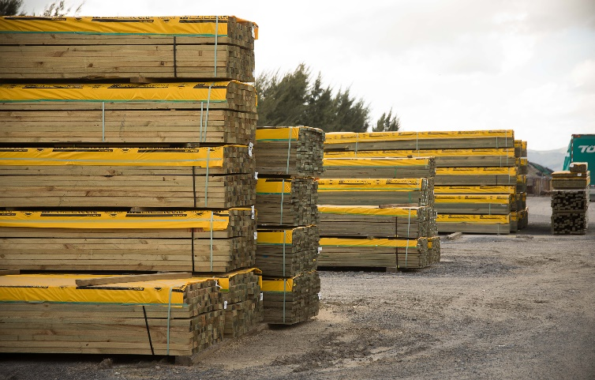
H3/H4 WET RS |  |  |  |  |  | 1.2 | 1.5 | 1.8 | 2.1 | 2.4 | 2.7 | 3.0 | 3.6 | 4.0 | 4.2 | 4.5 | 4.8 | 5.4 | 6.0 | RL | $ CUBE | $ L/M
 | 300 x 50 | F2 | H3.2 | WET | Current SOH |  |  |  |  |  |  |  |  |  | 2 |  |  | 2 |  |  | $591 | $8.82
 |  |  |  |  | ORDER Quantity
 | 300 x 50 | F1 | H3.2 | WET | Current SOH |  |  |  |  |  |  |  |  |  | 2 |  |  | 2 |  |  | $759 | $9.49
 |  |  |  |  | ORDER Quantity
 | 300 x 50 | F2 | H4 | WET | Current SOH |  |  |  |  |  |  |  |  |  | 2 |  |  | 2 |  |  | $641 | $9.57
 |  |  |  |  | ORDER Quantity
 | 300 x 50 | F1 | H4 | WET | Current SOH |  |  |  |  |  |  |  |  |  | 2 |  |  | 2 |  |  | $799 | $11.92
 |  |  |  |  | ORDER Quantity

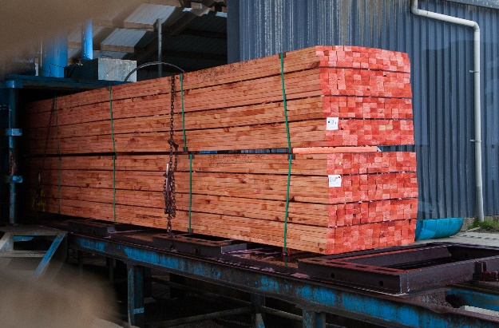
STRAPPING |  |  |  |  |  | 1.2 | 1.5 | 1.8 | 2.1 | 2.4 | 2.7 | 3.0 | 3.6 | 4.0 | 4.2 | 4.5 | 4.8 | 5.4 | 6.0 | RL | $ CUBE | $ L/M
 | 75 x 40 | FJ | BH1.2 | KD | Current SOH |  |  |  |  |  |  |  |  |  |  |  |  |  |  |  | $660 | $1.98
 |  |  |  |  | ORDER Quantity
 | 150 x 40 | FJ | BH1.2 | KD | Current SOH |  |  |  |  |  |  |  |  |  |  |  |  |  |  |  | $660 | $3.96
 |  |  |  |  | ORDER Quantity

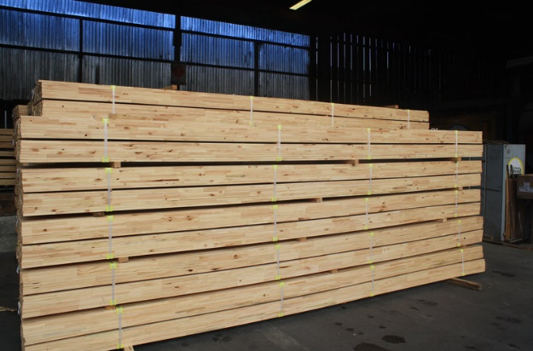
CAVITY BATTEN |  |  |  |  |  | 1.2 | 1.5 | 1.8 | 2.1 | 2.4 | 2.7 | 3.0 | 3.6 | 4.0 | 4.2 | 4.5 | 4.8 | 5.4 | 6.0 | RL | $ CUBE | $ L/M
 | 50 x 50 | COL | BH1.2 | KD | Current SOH |  |  |  |  |  |  |  |  | 11 |  |  |  |  |  |  | $772 | $1.93
 |  |  |  |  | ORDER Quantity
 | 50 x 50 | COL | H3.2 | KD | Current SOH |  |  |  |  |  |  | 4 | 3 | 4 |  |  |  |  |  |  | $820 | $2.05
 |  |  |  |  | ORDER Quantity

CAVITY BATTEN D4S 45x20 |  |  |  |  |  | 1.2 | 1.5 | 1.8 | 2.1 | 2.4 | 2.7 | 3.0 | 3.6 | 4.0 | 4.2 | 4.5 | 4.8 | 5.4 | 6.0 | RL | $ CUBE | $ L/M
 | 50 x 25 | FJ | H3.1 | KD | Current SOH |  |  |  |  |  |  |  |  |  |  |  |  |  |  |  | $761 | $0.95
 |  |  |  |  | ORDER Quantity


H4 LANDSCAPING | H4 LANDSCAPING - RS |  |  |  |  | 1.2 | 1.5 | 1.8 | 2.1 | 2.4 | 2.7 | 3.0 | 3.6 | 4.0 | 4.2 | 4.5 | 4.8 | 5.4 | 6.0 | RL | $ CUBE | $ L/M
 | 50 x 50 | NO.2 | H4 | WET | Current SOH |  |  |  |  |  |  |  |  |  |  |  |  |  |  |  | $575 | $1.44
 |  |  |  |  | ORDER Quantity
 | 100 x 50 | NO2FR | H4 | WET | Current SOH |  |  |  |  |  |  |  |  |  |  |  |  |  |  |  | $516 | $2.88
 |  |  |  |  | ORDER Quantity
 | 150 x 50 | NO2FR | H4 | WET | Current SOH |  |  |  |  |  |  |  |  |  |  |  | 9 |  |  |  | $516 | $3.87
 |  |  |  |  | ORDER Quantity
 | 200 x 50 | NO2FR | H4 | WET | Current SOH |  |  |  |  |  |  |  |  |  |  |  | 7 |  | 5 |  | $516 | $5.16
 |  |  |  |  | ORDER Quantity
 | 150 x 50 | SG8 | H4 | WET | Current SOH |  |  |  |  |  |  |  |  |  |  |  |  |  |  |  | $710 | $5.32
 |  |  |  |  | ORDER Quantity
 | 200 x 50 | SG8 | H4 | WET | Current SOH |  |  |  |  |  |  |  |  |  |  |  |  |  |  |  | $710 | $7.10
 |  |  |  |  | ORDER Quantity
 | H4 LANDSCAPING - TGV |  |  |  |  | 1.2 | 1.5 | 1.8 | 2.1 | 2.4 | 2.7 | 3.0 | 3.6 | 4.0 | 4.2 | 4.5 | 4.8 | 5.4 | 6.0 | RL | $ CUBE | $ L/M
 | 200 x 50 | NO.2 | H4 | WET | Current SOH |  |  |  |  |  |  |  |  |  |  |  |  |  |  |  | $556 | $5.56
 |  |  |  |  | ORDER Quantity
 | H4 LANDSCAPING - MERCH RS RL |  |  |  |  | 1.2 | 1.5 | 1.8 | 2.1 | 2.4 | 2.7 | 3.0 | 3.6 | 4.0 | 4.2 | 4.5 | 4.8 | 5.4 | 6.0 | RL | $ CUBE | $ L/M
 | 150 x 40 | MERCH | H4 | WET | Current SOH |  |  |  |  |  |  |  |  |  |  |  |  |  |  |  | $560 | $3.36
 |  |  |  |  | ORDER Quantity

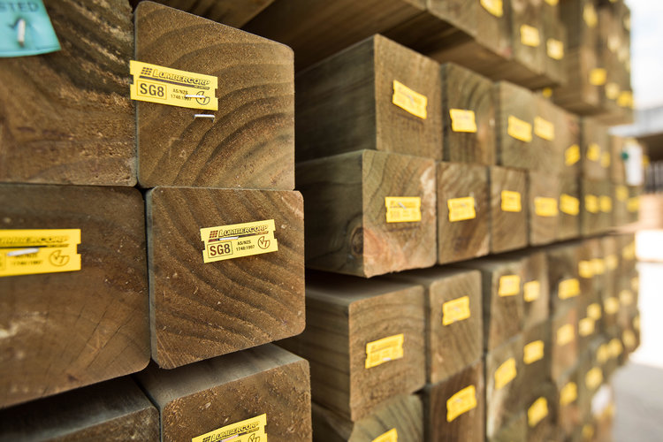
H5 NO.1/SG8 | H5 NO.1/SG8 - RS |  |  |  |  | 1.2 | 1.5 | 1.8 | 2.1 | 2.4 | 2.7 | 3.0 | 3.6 | 4.0 | 4.2 | 4.5 | 4.8 | 5.4 | 6.0 | RL | $ CUBE | $ L/M
 | 100 x 75 | F1 | H5 | WET | Current SOH |  |  |  |  |  |  |  |  |  |  |  |  |  |  |  | $910 | $6.82
 |  |  |  |  | ORDER Quantity
 | 100 x 100 | F1 | H5 | WET | Current SOH |  |  |  |  |  |  |  |  |  |  |  |  |  |  | 4 | $950 | $9.50
 |  |  |  |  | ORDER Quantity
 | H5 NO.1/SG8 - GGD |  |  |  |  | 1.2 | 1.5 | 1.8 | 2.1 | 2.4 | 2.7 | 3.0 | 3.6 | 4.0 | 4.2 | 4.5 | 4.8 | 5.4 | 6.0 | RL | $ CUBE | $ L/M
 | 100 x 75 | F1 | H5 | WET | Current SOH |  |  |  |  |  |  |  |  |  |  |  |  |  |  | 16 | $950 | $7.13
 |  |  |  |  | ORDER Quantity
 | 100 x 100 | F1 | H5 | WET | Current SOH |  |  |  |  |  |  |  |  |  |  |  |  |  |  | 10 | $950 | $9.50
 |  |  |  |  | ORDER Quantity
 | 100 x 75 | SG8 | H5 | WET | Current SOH |  |  |  |  |  |  |  |  |  |  |  |  |  |  | 16 | $990 | $7.43
 |  |  |  |  | ORDER Quantity
 | 100 x 100 | SG8 | H5 | WET | Current SOH |  |  |  |  |  |  |  |  |  |  |  |  |  |  | 46 | $990 | $9.90
 |  |  |  |  | ORDER Quantity

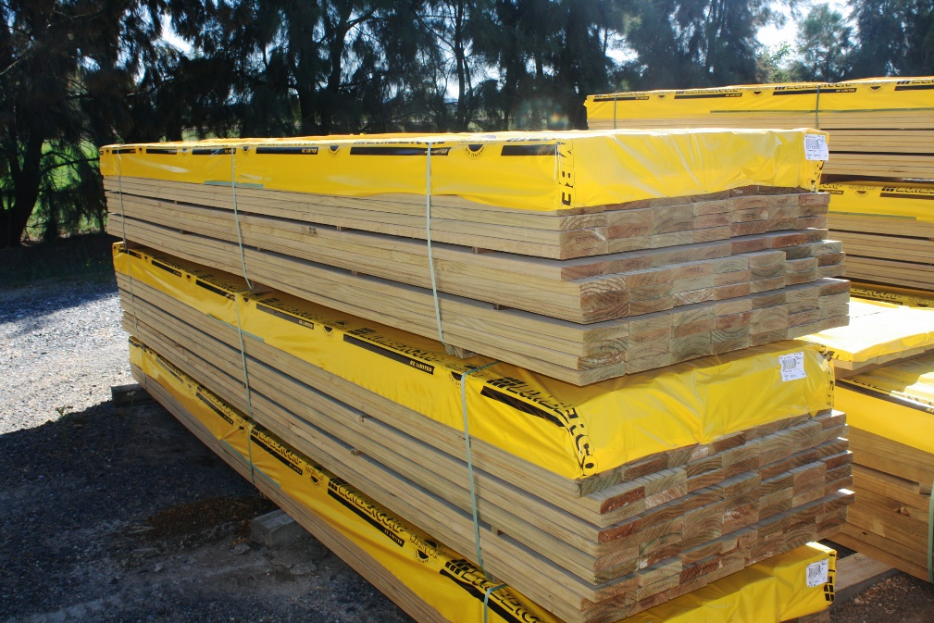
DECKING | DECKING - GRIPTREAD |  |  |  |  | 1.2 | 1.5 | 1.8 | 2.1 | 2.4 | 2.7 | 3.0 | 3.6 | 4.0 | 4.2 | 4.5 | 4.8 | 5.4 | 6.0 | RL | $ CUBE | $ L/M
 | 100 x 25 | PREM | H3.2 | Wet | Current SOH |  |  |  |  |  |  |  | 5 |  | 1 |  | 2 |  |  |  | $800 | $2.00
 |  |  |  |  | ORDER Quantity
 | 100 x 40 | PREM | H3.2 | WET | Current SOH |  |  |  |  |  |  |  |  |  | 4 |  | 12 |  |  |  | $795 | $3.18
 |  |  |  |  | ORDER Quantity
 | 150 x 40 | PREM | H3.2 | WET | Current SOH |  |  |  |  |  |  |  |  |  |  |  |  |  |  |  | $795 | $4.76
 |  |  |  |  | ORDER Quantity
 | DECKING - SMOOTH |  |  |  |  | 1.2 | 1.5 | 1.8 | 2.1 | 2.4 | 2.7 | 3.0 | 3.6 | 4.0 | 4.2 | 4.5 | 4.8 | 5.4 | 6.0 | RL | $ CUBE | $ L/M
 | 100 x 25 | PREM | H3.2 | WET | Current SOH |  |  |  |  |  |  |  | 2 |  | 2 |  |  |  |  | 18 | $800 | $2.00
 |  |  |  |  | ORDER Quantity
 | 100 x 40 | PREM | H3.2 | WET | Current SOH |  |  |  |  |  |  |  |  |  | 4 |  | 12 |  |  |  | $795 | $3.18
 |  |  |  |  | ORDER Quantity
 | 150 x 40 | PREM | H3.2 | WET | Current SOH |  |  |  |  |  |  |  |  |  | 1 |  | 3 |  |  |  | $795 | $4.76
 |  |  |  |  | ORDER Quantity
 | DECKING - BOARDWALK |  |  |  |  | 1.2 | 1.5 | 1.8 | 2.1 | 2.4 | 2.7 | 3.0 | 3.6 | 4.0 | 4.2 | 4.5 | 4.8 | 5.4 | 6.0 | RL | $ CUBE | $ L/M
 | 100 x 40 | PREM | H3.2 | WET | Current SOH |  |  |  |  |  |  |  | 1 |  | 2 | 1 | 1 |  |  |  | $795 | $3.18
 |  |  |  |  | ORDER Quantity

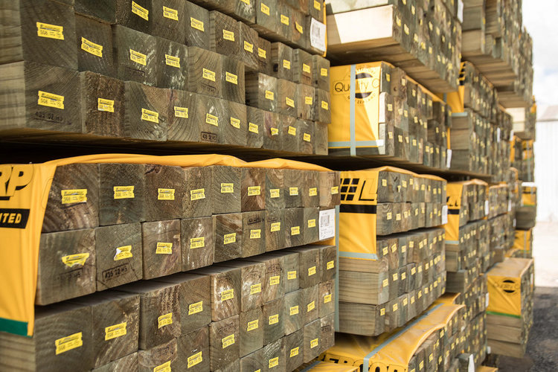
MERCH | MERCH (can treat H3.2 on request) |  |  |  |  | 1.2 | 1.5 | 1.8 | 2.1 | 2.4 | 2.7 | 3.0 | 3.6 | 4.0 | 4.2 | 4.5 | 4.8 | 5.4 | 6.0 | RL | $ CUBE | $ L/M
 | 50 x 25 | MERCH | H4 | WET | Current SOH |  |  |  |  |  |  |  |  |  |  |  |  |  |  |  | $596 | $0.75
 |  |  |  |  | ORDER Quantity
 | 100 x 25 | MERCH | H4 | WET | Current SOH |  |  |  |  |  |  |  |  |  |  |  | 2 |  | 1 | 5 | $546 | $1.37
 |  |  |  |  | ORDER Quantity
 | 150 x 25 | MERCH | H4 | WET | Current SOH |  |  |  |  |  |  |  |  |  |  |  | 3 | 4 |  |  | $550 | $2.06
 |  |  |  |  | ORDER Quantity
 | 200 x 25 | MERCH | H4 | WET | Current SOH |  |  |  |  |  |  |  |  |  |  |  |  |  |  |  | $550 | $2.75
 |  |  |  |  | ORDER Quantity
 | 250 x 25 | MERCH | H4 | WET | Current SOH |  |  |  |  |  |  |  |  |  |  |  |  |  |  |  | $776 | $4.85
 |  |  |  |  | ORDER Quantity
 | 300 x 25 | MERCH | H4 | WET | Current SOH |  |  |  |  |  |  |  |  |  |  |  |  |  |  |  | $776 | $5.82
 |  |  |  |  | ORDER Quantity
 | MERCH H3.2 D4S |  |  |  |  | 1.2 | 1.5 | 1.8 | 2.1 | 2.4 | 2.7 | 3.0 | 3.6 | 4.0 | 4.2 | 4.5 | 4.8 | 5.4 | 6.0 | RL | $ CUBE | $ L/M
 | 50 x 25 | MERCH | H3.2 | WET | Current SOH |  |  |  |  |  |  |  |  |  | 1 |  | 1 | 2 | 1 |  | $795 | $0.99
 |  |  |  |  | ORDER Quantity
 | 100 x 25 | MERCH | H3.2 | WET | Current SOH |  |  |  |  |  |  |  |  |  | 1 |  |  |  | 1 |  | $660 | $1.65
 |  |  |  |  | ORDER Quantity
 | 150 x 25 | MERCH | H3.2 | WET | Current SOH |  |  |  |  |  |  |  |  |  |  |  | 1 | 1 |  |  | $660 | $2.48
 |  |  |  |  | ORDER Quantity
 | 200 x 25 | MERCH | H3.2 | WET | Current SOH |  |  |  |  |  |  |  |  |  |  |  | 1 | 1 |  |  | $660 | $3.30
 |  |  |  |  | ORDER Quantity

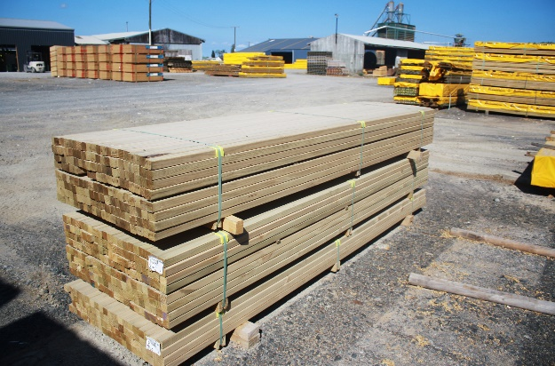
NO.2 / NO.1 / PREMIUM ex 50x49 | NO.2 / NO.1 / PREMIUM ex 50x50 |  |  |  |  | 1.2 | 1.5 | 1.8 | 2.1 | 2.4 | 2.7 | 3.0 | 3.6 | 4.0 | 4.2 | 4.5 | 4.8 | 5.4 | 6.0 | RL | $ CUBE | $ L/M
 | 50 x 50 | NO.2 | H3.2 | WET | Current SOH |  |  |  |  |  |  |  |  |  |  |  |  |  |  |  | $740 | $1.85
 |  |  |  |  | ORDER Quantity
 | 50 x 50 | NO.1 | H3.2 | WET | Current SOH |  |  |  |  |  |  |  |  |  |  |  |  |  |  | 19 | $772 | $1.93
 |  |  |  |  | ORDER Quantity
 | 50 x 50 | PREM | H3.2 | WET | Current SOH |  |  |  |  |  |  |  | 3 |  | 4 |  | 4 |  |  |  | $1,212 | $3.03
 |  |  |  |  | ORDER Quantity

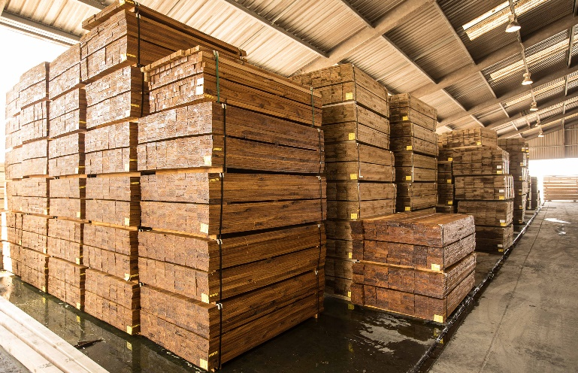
FENCING - RS | FENCING - RS |  |  |  |  | 1.2 | 1.5 | 1.8 | 2.1 | 2.4 | 2.7 | 3.0 | 3.6 | 4.0 | 4.2 | 4.5 | 4.8 | 5.4 | 6.0 | RL | $ CUBE | $ L/M
 | 150 x 19 | PALINGS | H3.2 | WET | Current SOH | 1 | 1 | 1 |  |  |  |  |  |  |  |  |  |  |  |  | $526 | $1.50
 |  |  |  |  | ORDER Quantity
 | 150 x 25 | PALINGS | H3.2 | WET | Current SOH | 2 | 2 | 5 |  |  |  |  |  |  |  |  |  |  |  |  | $526 | $1.97
 |  |  |  |  | ORDER Quantity
 | 100 x 75 | POSTS | H4 | WET | Current SOH |  |  | 1 |  | 1 | 1 | 1 |  |  |  |  |  |  |  |  | $595 | $4.46
 |  |  |  |  | ORDER Quantity
 | 100 x 100 | POSTS | H4 | WET | Current SOH |  |  | 1 | 1 | 1 | 1 | 1 | 1 |  |  |  |  |  |  |  | $595 | $5.95
 |  |  |  |  | ORDER Quantity
 | 75 x 50 | RAILS | H3.2 | WET | Current SOH |  |  |  |  |  |  |  |  |  |  |  | 2 |  |  |  | $532 | $1.99
 |  |  |  |  | ORDER Quantity
 | 100 x 50 | RAILS | H3.2 | WET | Current SOH |  |  |  |  |  |  |  |  |  |  |  | 11 |  | 4 |  | $487 | $2.44
 |  |  |  |  | ORDER Quantity
 | 150 x 40 | MERCH | H3.2 | WET | Current SOH |  |  |  |  |  |  |  |  |  |  |  |  |  |  |  | $570 | $3.42
 |  |  |  |  | ORDER Quantity

